Sheet1
Summary: | [SingUp] [Email] User can sing up with invalid email
Description: | When user enters invalid email and clicks on empty part of the page, the notification will apear that the entered email is valid. User can also Sing up with invalid email.

 | Steps:

 | 1.Oper Chrome Browser
 | 2.Go to following URL: https://www.humanity.com/
 | 3. In "Full name" field enter full name (Exapmle: Petar Petkovic)
 | 4.In "Work Email" field enter invalid email (Example: petkovicp@gmail.co)
 | 5.Check the "Nisam robot" checkbox
 | 6.Check required pictures
 | 7.Click "Potvrdi" button
 | 8.Click "Start my free trial" button

Expected result: | The notification"please enter valid email" appears under the "Work Email" field
Actual result: | Sing up page is loaded.

Priority: | Medium
Severity: | Low
Repro rate: | 100%

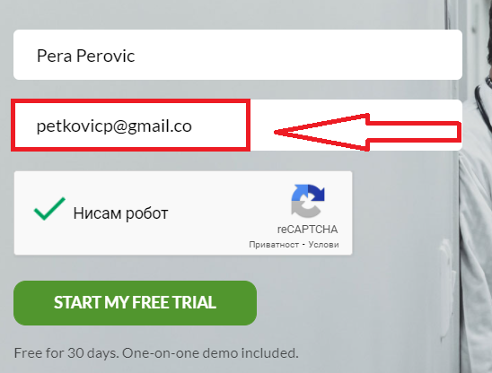
Screenshots:

 | There is also video proof of this issue, uploaded separately.

